EXAMPLE
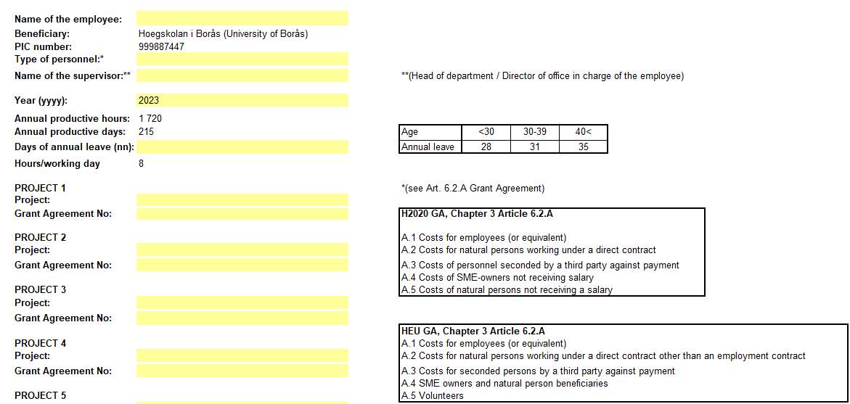

35

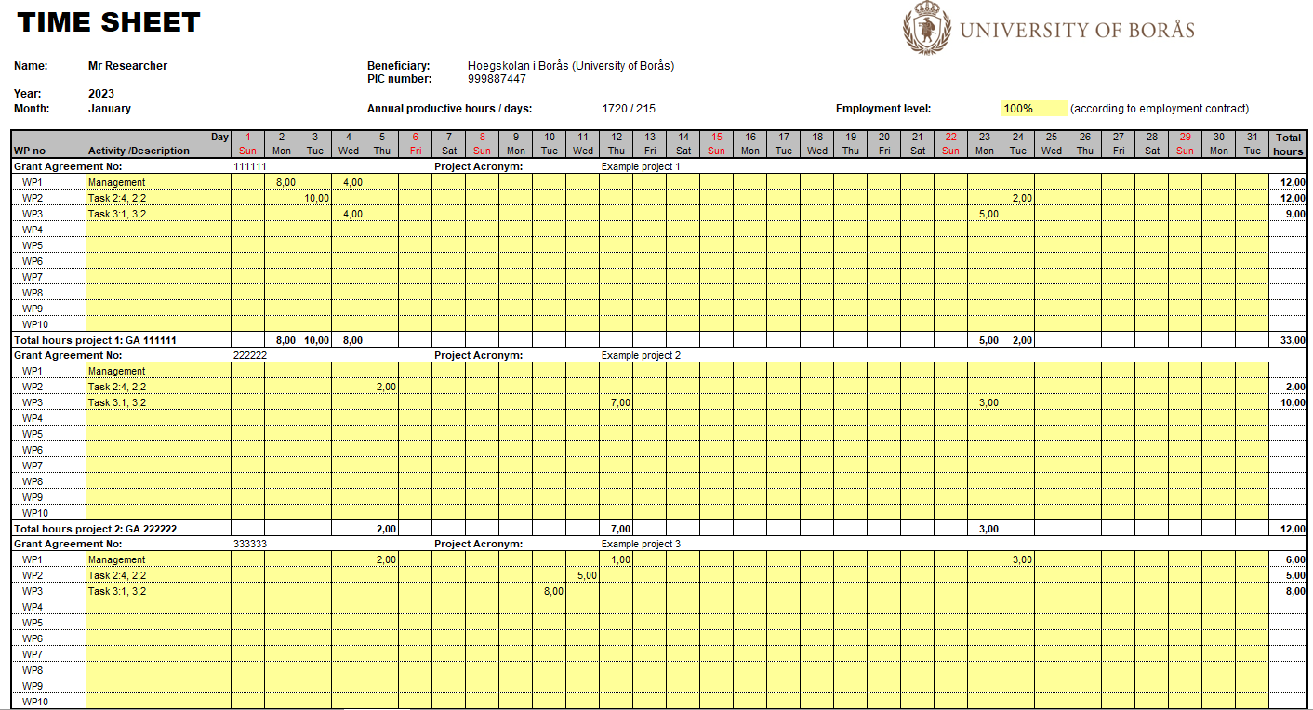
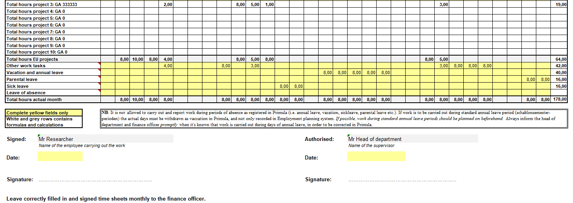

1720

per day and month

Summary working hours
Name of the employee: |  | 0
Beneficiary: |  |  | Hoegskolan i Borås (University of Borås)
PIC number: |  |  | 999887447
Type of personnel:* |  |  | 0
Year: |  |  | 2023
Annual productive hours / days: |  |  | 1720 / 215

Time Sheets Summary
 | Hours worked on EU-projects | Days worked on EU-projects | Person months on EU projects | Hours worked with other tasks | Reported productive hours | Parental leave | Sick leave | Leave of absence | Annual leave | Total hours | Average employment level (for employed months) | Employed / Not employed (choose from drop-down list) | Annual productive hours pro rata | Annual productive days pro rata
NB: The total annual hours reported on the projects in the timesheets for the researcher can not exceed the fixed standard annual productive hours (1720 hours) or fixed standard annual working days (215).
January | 0.00 | 0.00 | 0.00 | 0.00 | 0.00 | 0.00 | 0.00 | 0.00 | 0.00 | 0.00 | 100.00% | Employed |  |  | 0
February | 0.00 | 0.00 | 0.00 | 0.00 | 0.00 | 0.00 | 0.00 | 0.00 | 0.00 | 0.00 | 100.00% | Employed |  |  | 0
March | 0.00 | 0.00 | 0.00 | 0.00 | 0.00 | 0.00 | 0.00 | 0.00 | 0.00 | 0.00 | 100.00% | Employed |  |  | 0
April | 0.00 | 0.00 | 0.00 | 0.00 | 0.00 | 0.00 | 0.00 | 0.00 | 0.00 | 0.00 | 100.00% | Employed |  |  | 0
May | 0.00 | 0.00 | 0.00 | 0.00 | 0.00 | 0.00 | 0.00 | 0.00 | 0.00 | 0.00 | 100.00% | Employed |  |  | 0
June | 0.00 | 0.00 | 0.00 | 0.00 | 0.00 | 0.00 | 0.00 | 0.00 | 0.00 | 0.00 | 100.00% | Employed |  |  | 0
July | 0.00 | 0.00 | 0.00 | 0.00 | 0.00 | 0.00 | 0.00 | 0.00 | 0.00 | 0.00 | 100.00% | Employed |  |  | 0
August | 0.00 | 0.00 | 0.00 | 0.00 | 0.00 | 0.00 | 0.00 | 0.00 | 0.00 | 0.00 | 100.00% | Employed |  |  | 0
September | 0.00 | 0.00 | 0.00 | 0.00 | 0.00 | 0.00 | 0.00 | 0.00 | 0.00 | 0.00 | 100.00% | Employed |  |  | 0
October | 0.00 | 0.00 | 0.00 | 0.00 | 0.00 | 0.00 | 0.00 | 0.00 | 0.00 | 0.00 | 100.00% | Employed |  |  | 0
November | 0.00 | 0.00 | 0.00 | 0.00 | 0.00 | 0.00 | 0.00 | 0.00 | 0.00 | 0.00 | 100.00% | Employed |  |  | 0
December | 0.00 | 0.00 | 0.00 | 0.00 | 0.00 | 0.00 | 0.00 | 0.00 | 0.00 | 0.00 | 100.00% | Employed |  |  | 0
Total | 0.00 | 0.00 | 0.00 | 0.00 | 0.00 | 0.00 | 0.00 | 0.00 | 0.00 | 0.00 | 100.00% | 0.00 | 1,720.00 | 215.00

Reported time in WPs per project
 | GA |  |  | GA |  |  | GA |  |  | GA |  |  | GA |  |  | GA |  |  | GA |  |  | GA |  |  | GA |  |  | GA |  |  | TOTAL
 | Hours | Days | PMs | Hours | Days | PMs | Hours | Days | PMs | Hours | Days | PMs | Hours | Days | PMs | Hours | Days | PMs | Hours | Days | PMs | Hours | Days | PMs | Hours | Days | PMs | Hours | Days | PMs | Hours | Days | PMs
WP1 | 0.00 | 0.00 | 0.00 | 0.00 | 0.00 | 0.00 | 0.00 | 0.00 | 0.00 | 0.00 | 0.00 | 0.00 | 0.00 | 0.00 | 0.00 | 0.00 | 0.00 | 0.00 | 0.00 | 0.00 | 0.00 | 0.00 | 0.00 | 0.00 | 0.00 | 0.00 | 0.00 | 0.00 | 0.00 | 0.00 | 0.00 | 0.00 | 0.00
WP2 | 0.00 | 0.00 | 0.00 | 0.00 | 0.00 | 0.00 | 0.00 | 0.00 | 0.00 | 0.00 | 0.00 | 0.00 | 0.00 | 0.00 | 0.00 | 0.00 | 0.00 | 0.00 | 0.00 | 0.00 | 0.00 | 0.00 | 0.00 | 0.00 | 0.00 | 0.00 | 0.00 | 0.00 | 0.00 | 0.00 | 0.00 | 0.00 | 0.00
WP3 | 0.00 | 0.00 | 0.00 | 0.00 | 0.00 | 0.00 | 0.00 | 0.00 | 0.00 | 0.00 | 0.00 | 0.00 | 0.00 | 0.00 | 0.00 | 0.00 | 0.00 | 0.00 | 0.00 | 0.00 | 0.00 | 0.00 | 0.00 | 0.00 | 0.00 | 0.00 | 0.00 | 0.00 | 0.00 | 0.00 | 0.00 | 0.00 | 0.00
WP4 | 0.00 | 0.00 | 0.00 | 0.00 | 0.00 | 0.00 | 0.00 | 0.00 | 0.00 | 0.00 | 0.00 | 0.00 | 0.00 | 0.00 | 0.00 | 0.00 | 0.00 | 0.00 | 0.00 | 0.00 | 0.00 | 0.00 | 0.00 | 0.00 | 0.00 | 0.00 | 0.00 | 0.00 | 0.00 | 0.00 | 0.00 | 0.00 | 0.00
WP5 | 0.00 | 0.00 | 0.00 | 0.00 | 0.00 | 0.00 | 0.00 | 0.00 | 0.00 | 0.00 | 0.00 | 0.00 | 0.00 | 0.00 | 0.00 | 0.00 | 0.00 | 0.00 | 0.00 | 0.00 | 0.00 | 0.00 | 0.00 | 0.00 | 0.00 | 0.00 | 0.00 | 0.00 | 0.00 | 0.00 | 0.00 | 0.00 | 0.00
WP6 | 0.00 | 0.00 | 0.00 | 0.00 | 0.00 | 0.00 | 0.00 | 0.00 | 0.00 | 0.00 | 0.00 | 0.00 | 0.00 | 0.00 | 0.00 | 0.00 | 0.00 | 0.00 | 0.00 | 0.00 | 0.00 | 0.00 | 0.00 | 0.00 | 0.00 | 0.00 | 0.00 | 0.00 | 0.00 | 0.00 | 0.00 | 0.00 | 0.00
WP7 | 0.00 | 0.00 | 0.00 | 0.00 | 0.00 | 0.00 | 0.00 | 0.00 | 0.00 | 0.00 | 0.00 | 0.00 | 0.00 | 0.00 | 0.00 | 0.00 | 0.00 | 0.00 | 0.00 | 0.00 | 0.00 | 0.00 | 0.00 | 0.00 | 0.00 | 0.00 | 0.00 | 0.00 | 0.00 | 0.00 | 0.00 | 0.00 | 0.00
WP8 | 0.00 | 0.00 | 0.00 | 0.00 | 0.00 | 0.00 | 0.00 | 0.00 | 0.00 | 0.00 | 0.00 | 0.00 | 0.00 | 0.00 | 0.00 | 0.00 | 0.00 | 0.00 | 0.00 | 0.00 | 0.00 | 0.00 | 0.00 | 0.00 | 0.00 | 0.00 | 0.00 | 0.00 | 0.00 | 0.00 | 0.00 | 0.00 | 0.00
WP9 | 0.00 | 0.00 | 0.00 | 0.00 | 0.00 | 0.00 | 0.00 | 0.00 | 0.00 | 0.00 | 0.00 | 0.00 | 0.00 | 0.00 | 0.00 | 0.00 | 0.00 | 0.00 | 0.00 | 0.00 | 0.00 | 0.00 | 0.00 | 0.00 | 0.00 | 0.00 | 0.00 | 0.00 | 0.00 | 0.00 | 0.00 | 0.00 | 0.00
WP10 | 0.00 | 0.00 | 0.00 | 0.00 | 0.00 | 0.00 | 0.00 | 0.00 | 0.00 | 0.00 | 0.00 | 0.00 | 0.00 | 0.00 | 0.00 | 0.00 | 0.00 | 0.00 | 0.00 | 0.00 | 0.00 | 0.00 | 0.00 | 0.00 | 0.00 | 0.00 | 0.00 | 0.00 | 0.00 | 0.00 | 0.00 | 0.00 | 0.00
Total | 0.00 | 0.00 | 0.00 | 0.00 | 0.00 | 0.00 | 0.00 | 0.00 | 0.00 | 0.00 | 0.00 | 0.00 | 0.00 | 0.00 | 0.00 | 0.00 | 0.00 | 0.00 | 0.00 | 0.00 | 0.00 | 0.00 | 0.00 | 0.00 | 0.00 | 0.00 | 0.00 | 0.00 | 0.00 | 0.00 | 0.00 | 0.00 | 0.00

Reported time per month and project
 | GA |  |  | GA |  |  | GA |  |  | GA |  |  | GA |  |  | GA |  |  | GA |  |  | GA |  |  | GA |  |  | GA |  |  | TOTAL
 | Hours | Days | PMs | Hours | Days | PMs | Hours | Days | PMs | Hours | Days | PMs | Hours | Days | PMs | Hours | Days | PMs | Hours | Days | PMs | Hours | Days | PMs | Hours | Days | PMs | Hours | Days | PMs | Hours | Days | PMs
January | 0.00 | 0.00 | 0.00 | 0.00 | 0.00 | 0.00 | 0.00 | 0.00 | 0.00 | 0.00 | 0.00 | 0.00 | 0.00 | 0.00 | 0.00 | 0.00 | 0.00 | 0.00 | 0.00 | 0.00 | 0.00 | 0.00 | 0.00 | 0.00 | 0.00 | 0.00 | 0.00 | 0.00 | 0.00 | 0.00 | 0.00 | 0.00 | 0.00
February | 0.00 | 0.00 | 0.00 | 0.00 | 0.00 | 0.00 | 0.00 | 0.00 | 0.00 | 0.00 | 0.00 | 0.00 | 0.00 | 0.00 | 0.00 | 0.00 | 0.00 | 0.00 | 0.00 | 0.00 | 0.00 | 0.00 | 0.00 | 0.00 | 0.00 | 0.00 | 0.00 | 0.00 | 0.00 | 0.00 | 0.00 | 0.00 | 0.00
March | 0.00 | 0.00 | 0.00 | 0.00 | 0.00 | 0.00 | 0.00 | 0.00 | 0.00 | 0.00 | 0.00 | 0.00 | 0.00 | 0.00 | 0.00 | 0.00 | 0.00 | 0.00 | 0.00 | 0.00 | 0.00 | 0.00 | 0.00 | 0.00 | 0.00 | 0.00 | 0.00 | 0.00 | 0.00 | 0.00 | 0.00 | 0.00 | 0.00
April | 0.00 | 0.00 | 0.00 | 0.00 | 0.00 | 0.00 | 0.00 | 0.00 | 0.00 | 0.00 | 0.00 | 0.00 | 0.00 | 0.00 | 0.00 | 0.00 | 0.00 | 0.00 | 0.00 | 0.00 | 0.00 | 0.00 | 0.00 | 0.00 | 0.00 | 0.00 | 0.00 | 0.00 | 0.00 | 0.00 | 0.00 | 0.00 | 0.00
May | 0.00 | 0.00 | 0.00 | 0.00 | 0.00 | 0.00 | 0.00 | 0.00 | 0.00 | 0.00 | 0.00 | 0.00 | 0.00 | 0.00 | 0.00 | 0.00 | 0.00 | 0.00 | 0.00 | 0.00 | 0.00 | 0.00 | 0.00 | 0.00 | 0.00 | 0.00 | 0.00 | 0.00 | 0.00 | 0.00 | 0.00 | 0.00 | 0.00
June | 0.00 | 0.00 | 0.00 | 0.00 | 0.00 | 0.00 | 0.00 | 0.00 | 0.00 | 0.00 | 0.00 | 0.00 | 0.00 | 0.00 | 0.00 | 0.00 | 0.00 | 0.00 | 0.00 | 0.00 | 0.00 | 0.00 | 0.00 | 0.00 | 0.00 | 0.00 | 0.00 | 0.00 | 0.00 | 0.00 | 0.00 | 0.00 | 0.00
July | 0.00 | 0.00 | 0.00 | 0.00 | 0.00 | 0.00 | 0.00 | 0.00 | 0.00 | 0.00 | 0.00 | 0.00 | 0.00 | 0.00 | 0.00 | 0.00 | 0.00 | 0.00 | 0.00 | 0.00 | 0.00 | 0.00 | 0.00 | 0.00 | 0.00 | 0.00 | 0.00 | 0.00 | 0.00 | 0.00 | 0.00 | 0.00 | 0.00
August | 0.00 | 0.00 | 0.00 | 0.00 | 0.00 | 0.00 | 0.00 | 0.00 | 0.00 | 0.00 | 0.00 | 0.00 | 0.00 | 0.00 | 0.00 | 0.00 | 0.00 | 0.00 | 0.00 | 0.00 | 0.00 | 0.00 | 0.00 | 0.00 | 0.00 | 0.00 | 0.00 | 0.00 | 0.00 | 0.00 | 0.00 | 0.00 | 0.00
September | 0.00 | 0.00 | 0.00 | 0.00 | 0.00 | 0.00 | 0.00 | 0.00 | 0.00 | 0.00 | 0.00 | 0.00 | 0.00 | 0.00 | 0.00 | 0.00 | 0.00 | 0.00 | 0.00 | 0.00 | 0.00 | 0.00 | 0.00 | 0.00 | 0.00 | 0.00 | 0.00 | 0.00 | 0.00 | 0.00 | 0.00 | 0.00 | 0.00
October | 0.00 | 0.00 | 0.00 | 0.00 | 0.00 | 0.00 | 0.00 | 0.00 | 0.00 | 0.00 | 0.00 | 0.00 | 0.00 | 0.00 | 0.00 | 0.00 | 0.00 | 0.00 | 0.00 | 0.00 | 0.00 | 0.00 | 0.00 | 0.00 | 0.00 | 0.00 | 0.00 | 0.00 | 0.00 | 0.00 | 0.00 | 0.00 | 0.00
November | 0.00 | 0.00 | 0.00 | 0.00 | 0.00 | 0.00 | 0.00 | 0.00 | 0.00 | 0.00 | 0.00 | 0.00 | 0.00 | 0.00 | 0.00 | 0.00 | 0.00 | 0.00 | 0.00 | 0.00 | 0.00 | 0.00 | 0.00 | 0.00 | 0.00 | 0.00 | 0.00 | 0.00 | 0.00 | 0.00 | 0.00 | 0.00 | 0.00
December | 0.00 | 0.00 | 0.00 | 0.00 | 0.00 | 0.00 | 0.00 | 0.00 | 0.00 | 0.00 | 0.00 | 0.00 | 0.00 | 0.00 | 0.00 | 0.00 | 0.00 | 0.00 | 0.00 | 0.00 | 0.00 | 0.00 | 0.00 | 0.00 | 0.00 | 0.00 | 0.00 | 0.00 | 0.00 | 0.00 | 0.00 | 0.00 | 0.00
Total | 0.00 | 0.00 | 0.00 | 0.00 | 0.00 | 0.00 | 0.00 | 0.00 | 0.00 | 0.00 | 0.00 | 0.00 | 0.00 | 0.00 | 0.00 | 0.00 | 0.00 | 0.00 | 0.00 | 0.00 | 0.00 | 0.00 | 0.00 | 0.00 | 0.00 | 0.00 | 0.00 | 0.00 | 0.00 | 0.00 | 0.00 | 0.00 | 0.00

